Inventory
 |  | eBKP-H classification |  |  |  |  |  |  | Conditions |  |  | Disassembly
Images | code images | First level | Second level | Third level | Component name | Installation period | Service life (years) | Geometry | Aesthetics | Functionality | Presence of pollutants | Connection type | Difficulty
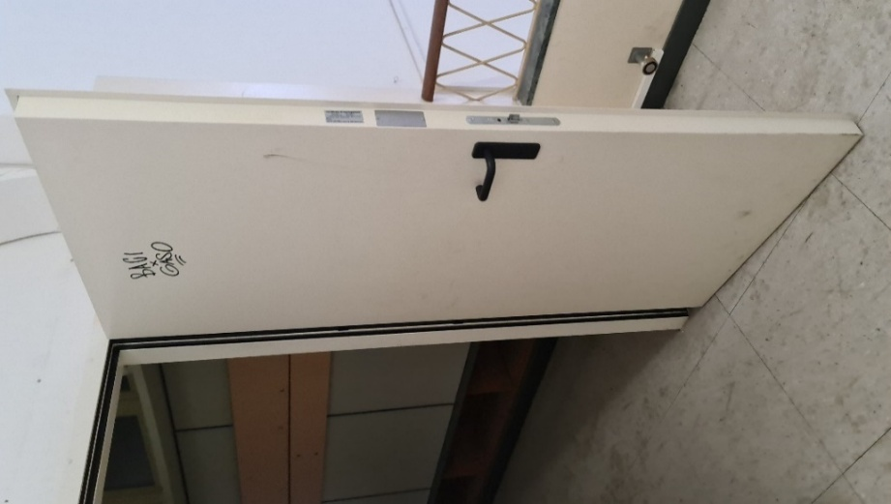 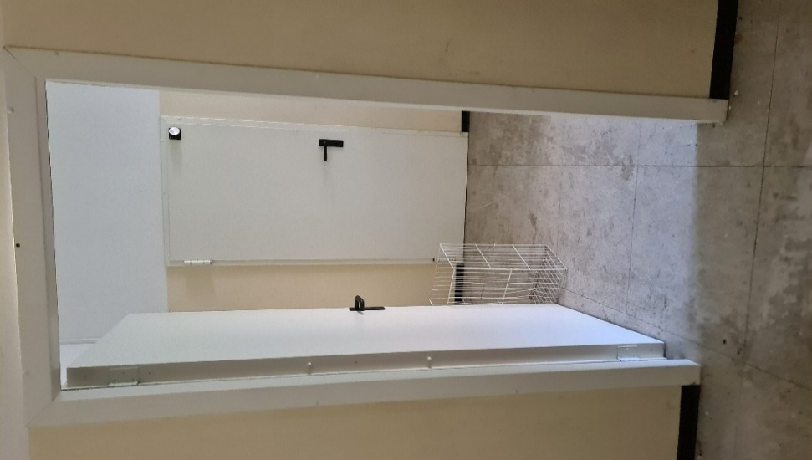 | 20240819_100836 20240819_100055 | G_Finitura_interna_edificio | G01_Parete_divisoria_porta_interna_portone_interno | G0105_Porta_interna | EI 60 internal door | 2011 | 30 | 0.90 m x 2.00 m | Minor signs of deterioration/wear | Functionality does not appear to be compromised | Unlikely | Connection with added elements (mechanical fasteners) | Very simple
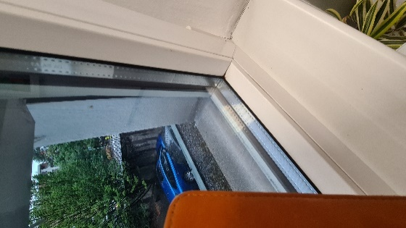 | 20240826_095451 20240826_104603 | E_Facciata_edificio | E03_Infisso_in_facciata | E0301_Finestra | Double-glazed window with PVC frame | 2010 | 40 | 1.78 m x 1.50 m | As new | Functional | Unlikely | Connection with added elements (mechanical fasteners) | Simple
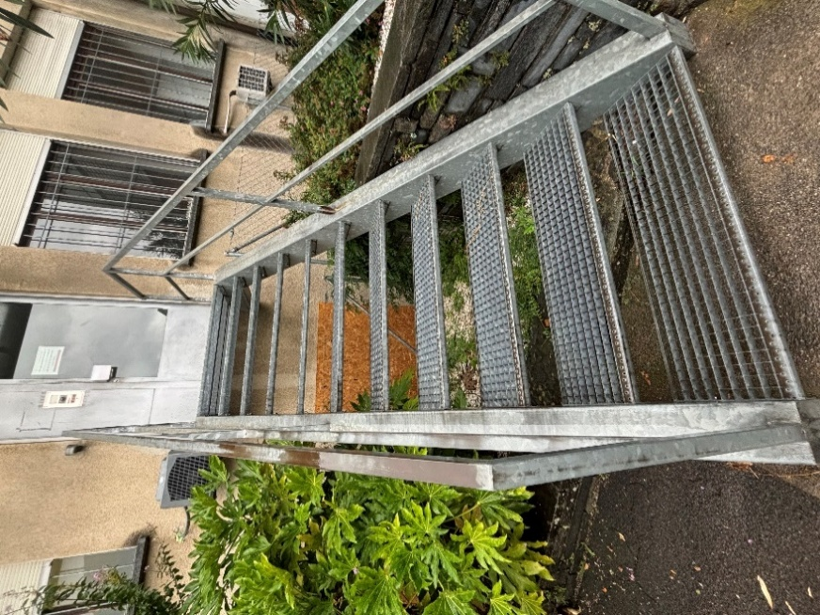 | 20240824_110946 | I_Esterno_edificio | I02_Manufatto_esterno | I0204_Scala_rampa | External steel staircase | 2010 | 50 | 220 kg | Minor signs of deterioration/wear | Functional | Unlikely | Connection with added elements (mechanical fasteners) | Simple
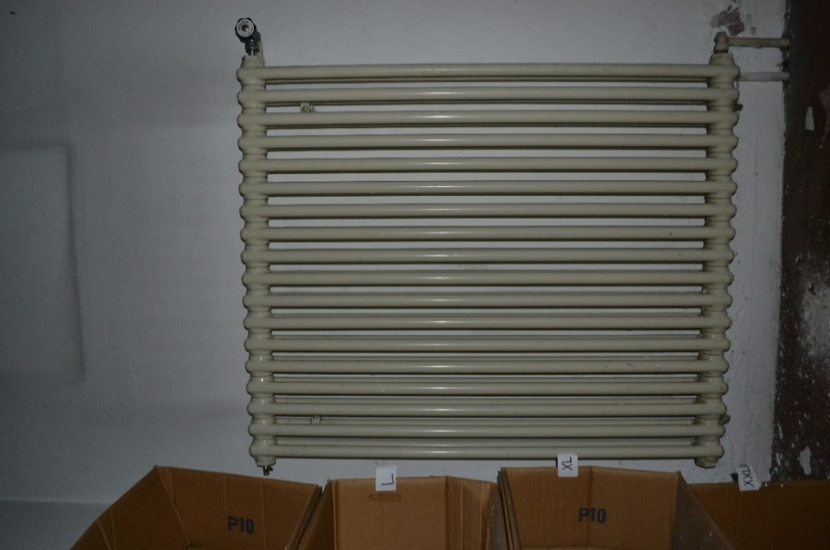 | DSC_0038 | D_Impianti_tecnici_edificio | D05_Impianto_di_riscaldamento | D0505_Diffusione_di_calore | Cast-iron radiator | 1970 | 40 | 0.80 m x 1.00 m x 0.06 m | Minor signs of deterioration/wear | Functionality does not appear to be compromised | Likely | Connection with added elements (mechanical fasteners) | Simple
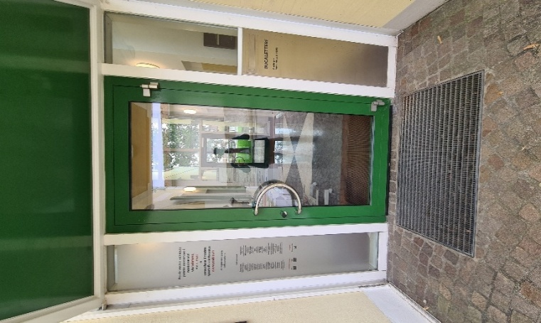 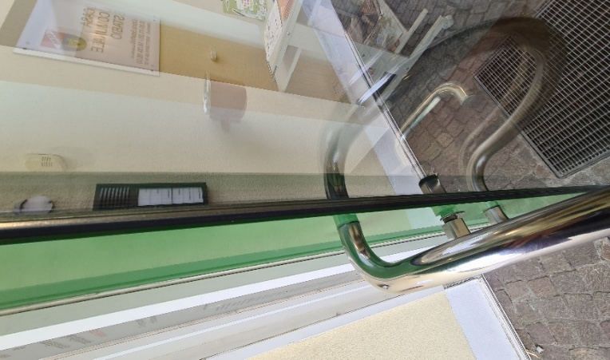 | 20260504_101951 20260504_102000 | E_Facciata_edificio | E03_Infisso_in_facciata | E0303_Portone_esterno | External glass door | 1991 | 30 | 1.05 m x 2.30 m | Minor signs of deterioration/wear | Functional | Unlikely | Connection with added elements (mechanical fasteners) | Very simple
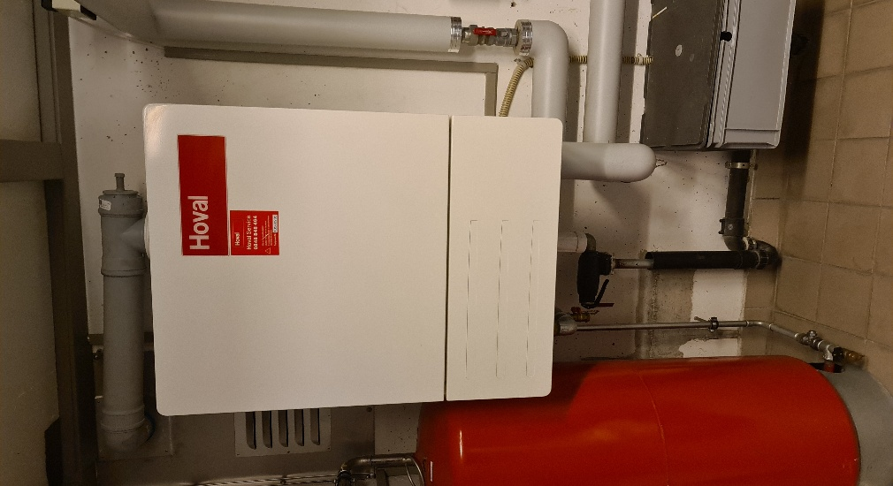 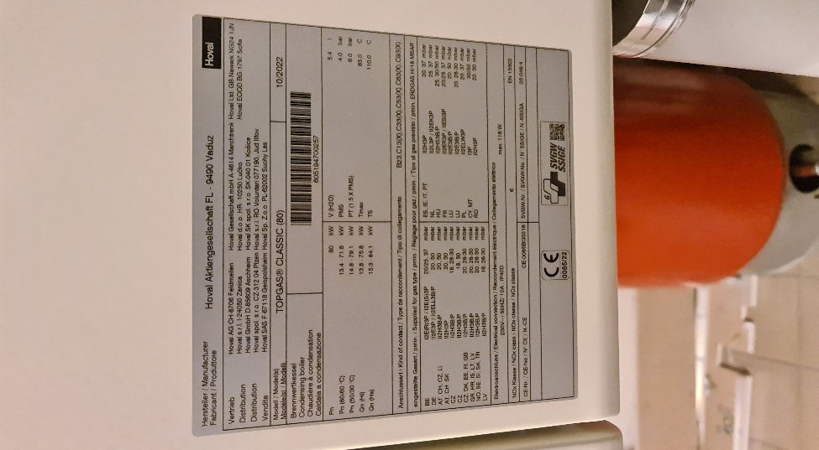 | 20260504_105544 20260504_105610 | D_Impianti_tecnici_edificio | D05_Impianto_di_riscaldamento | D0502_Produzione_di_calore | Gas condensing boiler | 2022 | 20 | 0.65 m x 0.85 m x 0.70 m | As new | As new | No | Connection with added elements (mechanical fasteners) | Simple
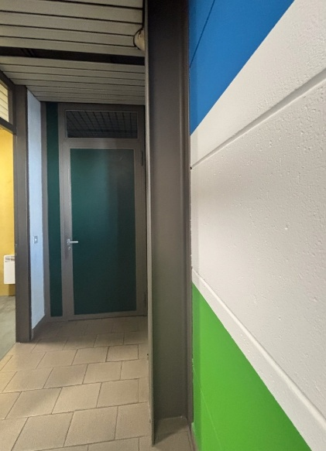 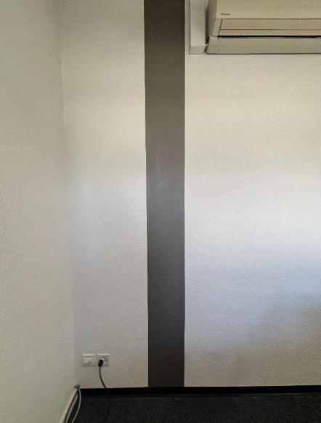 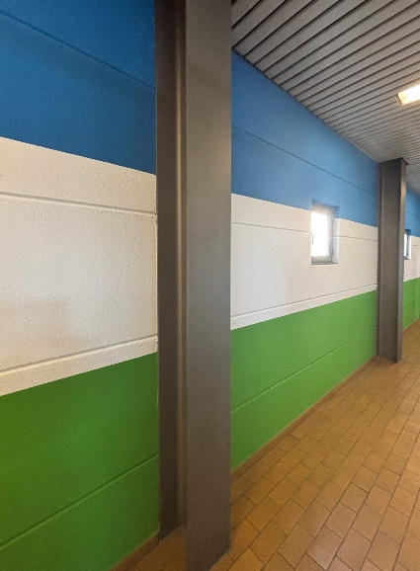 | IMG_2765 IMG_2761 IMG_2768 | C_Costruzione_grezza_edificio | C03_Pilastro | C0302_Pilastro_interno | Steel column (HEA 260) | 1980 | 100 | 205 kg | Minor signs of deterioration/wear | Functionality does not appear to be compromised | Certain | Connection with added elements (mechanical fasteners) | Complex
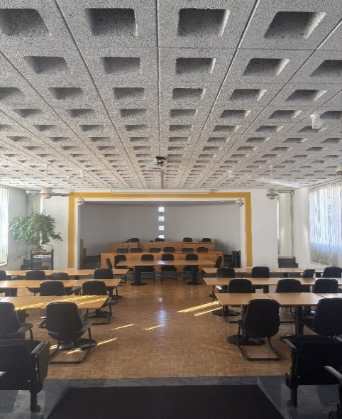 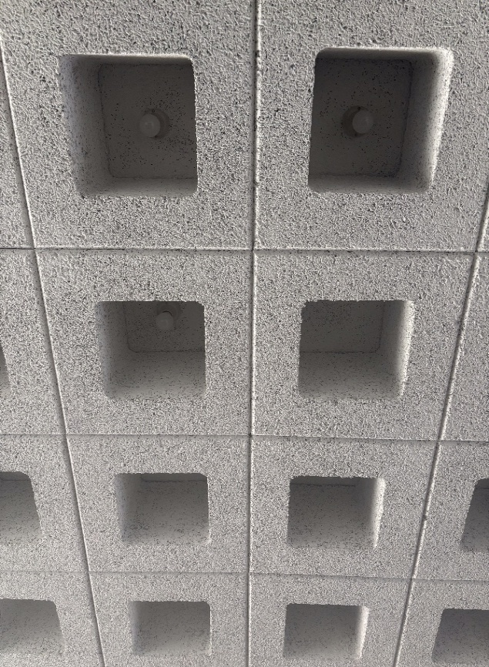 | 20260504_103344 20260504_103346 | G_Finitura_interna_edificio | G04_Rivestimento_di_soffitti | G0402_Rivestimento_di_soffitti | Mineralized wood ceiling block | 1991 | 50 | 0.60 m x 0.60 m x 0.25 m | Minor signs of deterioration/wear | Functional | Unlikely | Direct integral connection | Simple
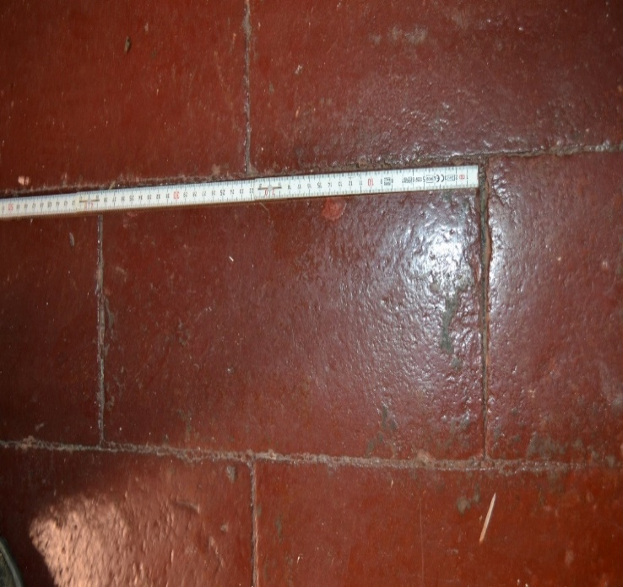 | DSC_0758 | G_Finitura_interna_edificio | G02_Pavimento | G0202_Pavimento | Painted ("Rosso di Prussia") terracotta floor tile | 1940 | 75 | 0.40 m x 0.20 m | Minor signs of deterioration/wear | Functional | Likely | Hard chemical connection | Complex
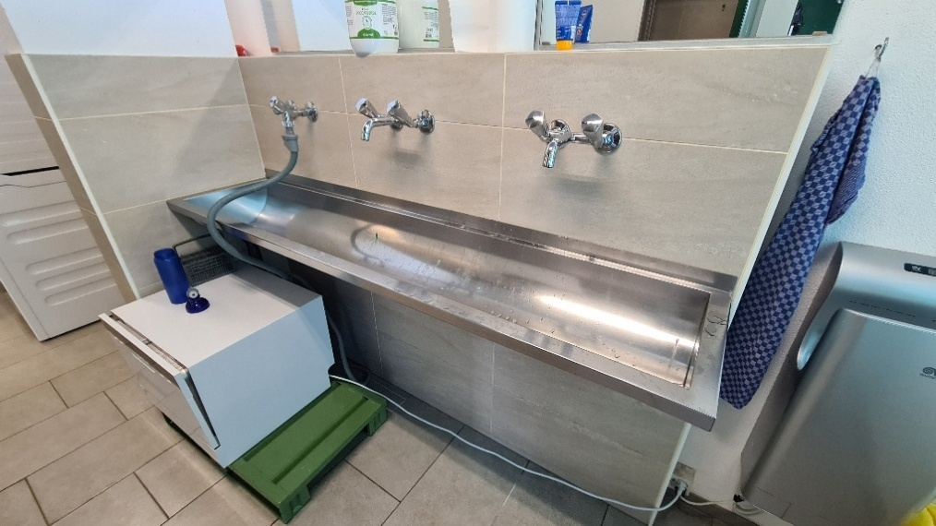 | 20260205_144908 | D_Impianti_tecnici_edificio | D08_Impianto_idraulico | D0805_Acqua_rubinetteria_apparecchio | Stainless steel sink | 1980 | 50 | 1.80 m x 0.40 m x 0.25 m | As new | Functional | Not clear | Soft chemical connection | Simple

